ZoneSummary
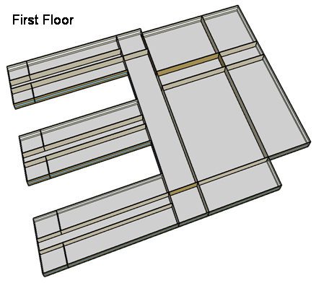
Zone Summary
Zone Name | Conditioned (Y/N) | Multiplier | Area (m2) | Volume (m3) | Floor-to-Ceiling Height (m) | Gross Wall Area (m2) | Window Glass Area (m2) | People (m2/per) | People | Lights (W/m2) | Elec Plug and Process (W/m2) | Gas Plug and Process (W/m2) | SWH (L/h) | Ventilation (L/s/Person) | Ventilation (L/s/m2) | Ventilation Total (L/s) | Exhaust (L/s) | Infiltration (ACH)
CORNER_CLASS_1_POD_1_ZN_1_FLR_1 | Yes | 1 | 99 | 396 | 4.00 | 80 | 28 | 4.00 | 24.75 | 21.53 | 10.00 |  |  | 8.00 |  | 198.00 |  | 0.82
MULT_CLASS_1_POD_1_ZN_1_FLR_1 | Yes | 1 | 477 | 1,908 | 4.00 | 212 | 74 | 4.00 | 119.25 | 21.53 | 10.00 |  |  | 8.00 |  | 954.00 |  | 0.45
CORRIDOR_POD_1_ZN_1_FLR_1 | Yes | 1 | 320 | 1,280 | 4.00 | 20 | 7 | 10.00 | 32.00 | 9.26 | 4.00 |  |  |  | 0.50 | 160.00 |  | 0.06
CORNER_CLASS_2_POD_1_ZN_1_FLR_1 | Yes | 1 | 99 | 396 | 4.00 | 80 | 28 | 4.00 | 24.75 | 21.53 | 10.00 |  |  | 8.00 |  | 198.00 |  | 0.82
MULT_CLASS_2_POD_1_ZN_1_FLR_1 | Yes | 1 | 477 | 1,908 | 4.00 | 212 | 74 | 4.00 | 119.25 | 21.53 | 10.00 |  |  | 8.00 |  | 954.00 |  | 0.45
CORNER_CLASS_1_POD_2_ZN_1_FLR_1 | Yes | 1 | 99 | 396 | 4.00 | 80 | 28 | 4.00 | 24.75 | 21.53 | 10.00 |  |  | 8.00 |  | 198.00 |  | 0.82
MULT_CLASS_1_POD_2_ZN_1_FLR_1 | Yes | 1 | 477 | 1,908 | 4.00 | 212 | 74 | 4.00 | 119.25 | 21.53 | 10.00 |  |  | 8.00 |  | 954.00 |  | 0.45
CORRIDOR_POD_2_ZN_1_FLR_1 | Yes | 1 | 320 | 1,280 | 4.00 | 20 | 7 | 10.00 | 32.00 | 9.26 | 4.00 |  |  |  | 0.50 | 160.00 |  | 0.06
CORNER_CLASS_2_POD_2_ZN_1_FLR_1 | Yes | 1 | 99 | 396 | 4.00 | 80 | 28 | 4.00 | 24.75 | 21.53 | 10.00 |  |  | 8.00 |  | 198.00 |  | 0.82
MULT_CLASS_2_POD_2_ZN_1_FLR_1 | Yes | 1 | 477 | 1,908 | 4.00 | 212 | 74 | 4.00 | 119.25 | 21.53 | 10.00 |  |  | 8.00 |  | 954.00 |  | 0.45
CORNER_CLASS_1_POD_3_ZN_1_FLR_1 | Yes | 1 | 99 | 396 | 4.00 | 80 | 28 | 4.00 | 24.75 | 21.53 | 10.00 |  |  | 8.00 |  | 198.00 |  | 0.82
MULT_CLASS_1_POD_3_ZN_1_FLR_1 | Yes | 1 | 477 | 1,908 | 4.00 | 212 | 74 | 4.00 | 119.25 | 21.53 | 10.00 |  |  | 8.00 |  | 954.00 |  | 0.45
CORRIDOR_POD_3_ZN_1_FLR_1 | Yes | 1 | 320 | 1,280 | 4.00 | 20 | 7 | 10.00 | 32.00 | 9.26 | 4.00 |  |  |  | 0.50 | 160.00 |  | 0.06
CORNER_CLASS_2_POD_3_ZN_1_FLR_1 | Yes | 1 | 99 | 396 | 4.00 | 80 | 28 | 4.00 | 24.75 | 21.53 | 10.00 |  |  | 8.00 |  | 198.00 |  | 0.82
MULT_CLASS_2_POD_3_ZN_1_FLR_1 | Yes | 1 | 477 | 1,908 | 4.00 | 212 | 74 | 4.00 | 119.25 | 21.53 | 10.00 |  |  | 8.00 |  | 954.00 |  | 0.45
MAIN_CORRIDOR_ZN_1_FLR_1 | Yes | 1 | 1140 | 4,560 | 4.00 | 200 | 70 |  | 0.00 | 10.75 | 4.00 |  |  |  | 0.50 | 570.00 |  | 0.18
LOBBY_ZN_1_FLR_1 | Yes | 1 | 210 | 840 | 4.00 | 60 | 21 |  | 0.00 | 12.01 | 4.00 |  |  |  | 0.50 | 105.00 |  | 0.29
BATHROOMS_ZN_1_FLR_1 | Yes | 1 | 210 | 840 | 4.00 | 116 | 41 | 10.00 | 21.00 | 9.61 | 4.00 |  | 197.5 | 25.00 |  | 300.00 | 300.00 | 0.56
OFFICES_ZN_1_FLR_1 | Yes | 1 | 532 | 2,128 | 4.00 | 208 | 73 | 20.00 | 26.60 | 20.10 | 10.76 |  |  | 10.00 |  | 266.00 |  | 0.40
GYM_ZN_1_FLR_1 | Yes | 1 | 1976 | 15,808 | 8.00 | 0 | 80 | 1.00 | 1976.00 | 11.39 | 5.00 |  | 717.2 | 10.00 |  | 19760.00 |  | 0.00
AUX_GYM_ZN_1_FLR_1 | Yes | 1 | 1248 | 9,984 | 8.00 | 608 | 266 | 3.00 | 416.00 | 11.81 | 5.00 |  |  | 10.00 |  | 4160.00 |  | 0.25
AUDITORIUM_ZN_1_FLR_1 | Yes | 1 | 988 | 7,904 | 8.00 | 512 | 106 | 1.00 | 988.00 | 12.08 | 5.00 |  |  | 8.00 |  | 7904.00 |  | 0.26
KITCHEN_ZN_1_FLR_1 | Yes | 1 | 216 | 864 | 4.00 | 36 | 13 | 6.00 | 36.00 | 16.77 | 222.27 | 1119.45 | 503.5 | 8.00 |  | 288.00 | 1887.79 | 0.17
CAFETERIA_ZN_1_FLR_1 | Yes | 1 | 624 | 2,496 | 4.00 | 200 | 70 | 1.39 | 448.92 | 14.38 | 19.27 |  |  | 10.00 |  | 4489.21 |  | 0.33
MECH_ZN_1_FLR_1 | Yes | 1 | 342 | 1,368 | 4.00 | 0 | 0 | 100.00 | 3.42 | 8.06 | 4.00 |  |  |  | 0.25 | 85.50 |  | 0.00
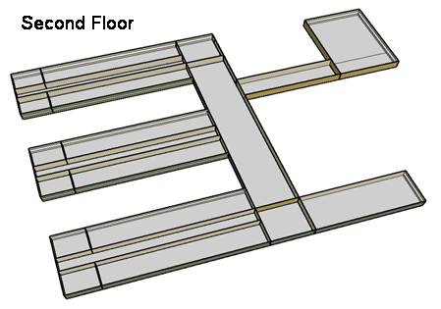
CORNER_CLASS_1_POD_1_ZN_1_FLR_2 | Yes | 1 | 99 | 396 | 4.00 | 80 | 28 | 4.00 | 24.75 | 21.53 | 10.00 |  |  | 8.00 |  | 198.00 |  | 1.84
MULT_CLASS_1_POD_1_ZN_1_FLR_2 | Yes | 1 | 477 | 1,908 | 4.00 | 212 | 74 | 4.00 | 119.25 | 21.53 | 10.00 |  |  | 8.00 |  | 954.00 |  | 1.47
CORRIDOR_POD_1_ZN_1_FLR_2 | Yes | 1 | 320 | 1,280 | 4.00 | 20 | 7 | 10.00 | 32.00 | 9.26 | 4.00 |  |  |  | 0.50 | 160.00 |  | 1.08
CORNER_CLASS_2_POD_1_ZN_1_FLR_2 | Yes | 1 | 99 | 396 | 4.00 | 80 | 28 | 4.00 | 24.75 | 21.53 | 10.00 |  |  | 8.00 |  | 198.00 |  | 1.84
MULT_CLASS_2_POD_1_ZN_1_FLR_2 | Yes | 1 | 477 | 1,908 | 4.00 | 212 | 74 | 4.00 | 119.25 | 21.53 | 10.00 |  |  | 8.00 |  | 954.00 |  | 1.47
CORNER_CLASS_1_POD_2_ZN_1_FLR_2 | Yes | 1 | 99 | 396 | 4.00 | 80 | 28 | 4.00 | 24.75 | 21.53 | 10.00 |  |  | 8.00 |  | 198.00 |  | 1.84
MULT_CLASS_1_POD_2_ZN_1_FLR_2 | Yes | 1 | 477 | 1,908 | 4.00 | 212 | 74 | 4.00 | 119.25 | 21.53 | 10.00 |  |  | 8.00 |  | 954.00 |  | 1.47
CORRIDOR_POD_2_ZN_1_FLR_2 | Yes | 1 | 320 | 1,280 | 4.00 | 20 | 7 | 10.00 | 32.00 | 9.26 | 4.00 |  |  |  | 0.50 | 160.00 |  | 1.08
CORNER_CLASS_2_POD_2_ZN_1_FLR_2 | Yes | 1 | 99 | 396 | 4.00 | 80 | 28 | 4.00 | 24.75 | 21.53 | 10.00 |  |  | 8.00 |  | 198.00 |  | 1.84
MULT_CLASS_2_POD_2_ZN_1_FLR_2 | Yes | 1 | 477 | 1,908 | 4.00 | 212 | 74 | 4.00 | 119.25 | 21.53 | 10.00 |  |  | 8.00 |  | 954.00 |  | 1.47
CORNER_CLASS_1_POD_3_ZN_1_FLR_2 | Yes | 1 | 99 | 396 | 4.00 | 80 | 28 | 4.00 | 24.75 | 21.53 | 10.00 |  |  | 8.00 |  | 198.00 |  | 1.84
MULT_CLASS_1_POD_3_ZN_1_FLR_2 | Yes | 1 | 477 | 1,908 | 4.00 | 212 | 74 | 4.00 | 119.25 | 21.53 | 20.00 |  |  | 8.00 |  | 954.00 |  | 1.47
CORRIDOR_POD_3_ZN_1_FLR_2 | Yes | 1 | 320 | 1,280 | 4.00 | 20 | 7 | 10.00 | 32.00 | 9.26 | 4.00 |  |  |  | 0.50 | 160.00 |  | 1.08
CORNER_CLASS_2_POD_3_ZN_1_FLR_2 | Yes | 1 | 99 | 396 | 4.00 | 80 | 28 | 4.00 | 24.75 | 21.53 | 10.00 |  |  | 8.00 |  | 198.00 |  | 1.84
MULT_CLASS_2_POD_3_ZN_1_FLR_2 | Yes | 1 | 477 | 1,908 | 4.00 | 212 | 74 | 4.00 | 119.25 | 21.53 | 20.00 |  |  | 8.00 |  | 954.00 |  | 1.47
MAIN_CORRIDOR_ZN_1_FLR_2 | Yes | 1 | 1140 | 4,560 | 4.00 | 200 | 70 |  | 0.00 | 10.75 | 4.00 |  |  |  | 0.50 | 570.00 |  | 1.20
LOBBY_ZN_1_FLR_2 | Yes | 1 | 210 | 840 | 4.00 | 60 | 21 |  | 0.00 | 12.01 | 4.00 |  |  |  | 0.50 | 105.00 |  | 1.31
BATHROOMS_ZN_1_FLR_2 | Yes | 1 | 210 | 840 | 4.00 | 116 | 41 | 10.00 | 21.00 | 9.61 | 4.00 |  | 197.5 | 25.00 |  | 300.00 | 300.00 | 1.58
OFFICES_ZN_1_FLR_2 | Yes | 1 | 532 | 2,128 | 4.00 | 208 | 73 | 20.00 | 26.60 | 20.10 | 10.76 |  |  | 10.00 |  | 266.00 |  | 1.42
LIBRARY_MEDIA_CENTER_ZN_1_FLR_2 | Yes | 1 | 840 | 3,360 | 4.00 | 236 | 83 | 4.35 | 193.10 | 16.34 | 10.00 |  |  | 8.00 |  | 1544.83 |  | 1.31
MECH_ZN_1_FLR_2 | Yes | 1 | 342 | 1,368 | 4.00 | 0 | 0 | 100.00 | 3.42 | 8.06 | 4.00 |  |  |  | 0.25 | 85.50 |  | 1.02
Total Conditioned Zones |  |  | 19,592 | 95,216 |  | 6,384 | 2,296 |  | 6,080

Data Source |  |  |  |  |  |  |  | 1 |  | 2 | 4, 5 | 4, 5 | 4, 5 | 3 | 3 | 3 | 4 | 4

Sources
[1] Pless, S.; Torcellini, P.; Long, N. (2007). Technical Support Document: Development of the Advanced Energy Design Guide for K-12 Schools--30% Energy Savings. 178 pp.; NREL Report No. TP-550-42114. http://www.nrel.gov/docs/fy07osti/42114.pdf
[2] ASHRAE Standard 90.1-1989, Atlanta, GA: American Society of Heating, Refrigerating and Air-Conditioning Engineers.
[3] ASHRAE Standard 62-1999 Table 6-1, Atlanta, GA: American Society of Heating, Refrigerating and Air-Conditioning Engineers.
[4] DOE Benchmark Report
[5] Smith, V. A. and D.R. Fisher. (2001). Estimating Food Service Loads and Profiles. ASHRAE Transactions 2001. V. 107. Pt 2. Atlanta, GA: American Society of Heating, Refrigerating and Air-Conditioning Engineers.

Picture
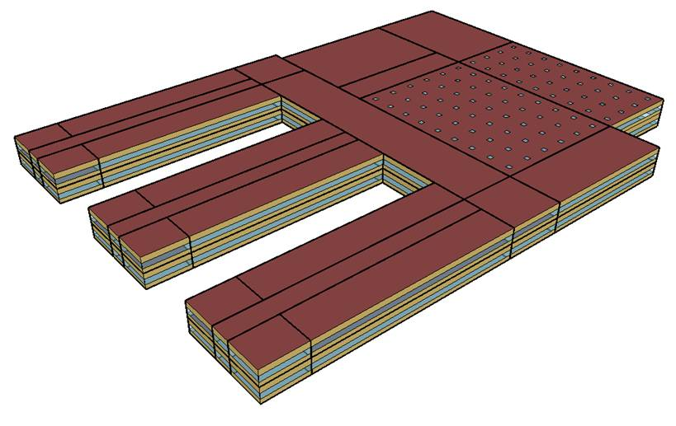
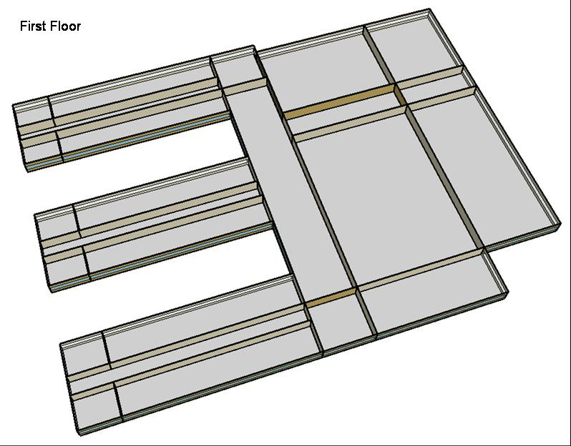
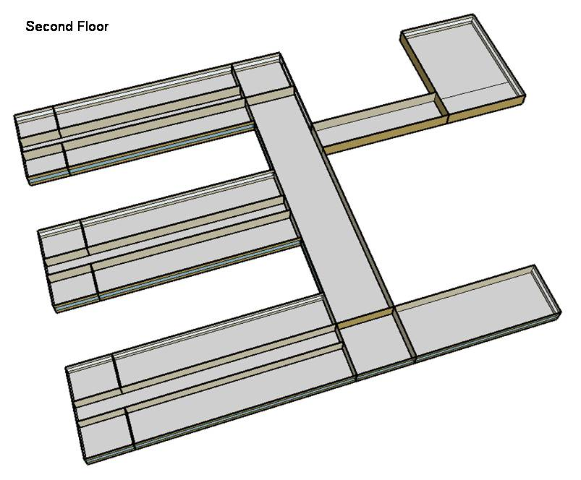
DOE Commercial Building Benchmark - Secondary School

Electricity
 | Cooling | Interior Lighting | Exterior Lighting | Interior Equipment | Fans | Pumps | Refrigeration
Miami | 1,839,269.44 | 1,150,916.67 | 48,986.11 | 632,727.78 | 582,552.78 | 1,033.33 | 43,730.56
Houston | 1,332,186.11 | 1,150,916.67 | 48,966.67 | 632,727.78 | 552,819.44 | 1,702.78 | 41,761.11
Phoenix | 1,421,022.22 | 1,150,916.67 | 48,958.33 | 632,727.78 | 643,438.89 | 1,372.22 | 41,911.11
Atlanta | 796,444.44 | 1,150,916.67 | 48,950.00 | 632,727.78 | 537,336.11 | 2,438.89 | 39,897.22
Los Angeles | 406,725.00 | 1,150,916.67 | 48,913.89 | 632,727.78 | 451,197.22 | 1,358.33 | 39,941.67
Las Vegas | 993,313.89 | 1,150,916.67 | 48,902.78 | 632,727.78 | 613,658.33 | 1,872.22 | 40,580.56
San Francisco | 132,377.78 | 1,150,916.67 | 48,927.78 | 632,727.78 | 468,519.44 | 1,697.22 | 38,205.56
Baltimore | 578,675.00 | 1,150,916.67 | 48,897.22 | 632,727.78 | 511,808.33 | 3,450.00 | 38,622.22
Albuquerque | 441,577.78 | 1,150,916.67 | 48,916.67 | 632,727.78 | 531,066.67 | 2,388.89 | 38,669.44
Seattle | 116,866.67 | 1,150,916.67 | 48,819.44 | 632,727.78 | 453,725.00 | 3,372.22 | 37,363.89
Chicago | 378,063.89 | 1,150,916.67 | 48,905.56 | 632,727.78 | 439,875.00 | 3,591.67 | 37,758.33
Boulder | 243,791.67 | 1,150,916.67 | 48,877.78 | 632,727.78 | 432,344.44 | 2,911.11 | 37,547.22
Minneapolis | 295,572.22 | 1,150,916.67 | 48,875.00 | 632,727.78 | 440,119.44 | 5,116.67 | 37,344.44
Helena | 135,663.89 | 1,150,916.67 | 48,863.89 | 632,727.78 | 436,030.56 | 4,188.89 | 36,677.78
Duluth | 108,502.78 | 1,150,916.67 | 48,833.33 | 632,727.78 | 437,641.67 | 6,530.56 | 35,997.22
Fairbanks | 43,705.56 | 1,150,916.67 | 48,536.11 | 632,727.78 | 497,150.00 | 14,822.22 | 34,938.89

Gas
 | Heating | Interior Equipment | Water Systems
Miami | 191,610.00 | 353,390.00 | 183,770.00
Houston | 2,255,960.00 | 353,390.00 | 250,250.00
Phoenix | 1,539,400.00 | 353,390.00 | 219,870.00
Atlanta | 4,624,690.00 | 353,390.00 | 309,330.00
Los Angeles | 1,272,930.00 | 353,390.00 | 289,290.00
Las Vegas | 2,547,830.00 | 353,390.00 | 263,260.00
San Francisco | 3,470,210.00 | 353,390.00 | 339,330.00
Baltimore | 7,996,220.00 | 353,390.00 | 356,370.00
Albuquerque | 5,041,880.00 | 353,390.00 | 347,300.00
Seattle | 7,757,660.00 | 353,390.00 | 372,940.00
Chicago | 9,931,990.00 | 353,390.00 | 396,380.00
Boulder | 7,130,710.00 | 353,390.00 | 392,600.00
Minneapolis | 13,490,430.00 | 353,390.00 | 432,010.00
Helena | 10,607,560.00 | 353,390.00 | 435,270.00
Duluth | 16,442,680.00 | 353,390.00 | 485,250.00
Fairbanks | 28,846,620.00 | 353,390.00 | 548,270.00

EUI
 | Cooling (elec) | Interior Lighting (elec) | Exterior Lighting (elec) | Interior Equipment (elec) | Fans (elec) | Pumps (elec) | Refrigeration (elec) | Heating (gas) | Interior Equipment (gas)
Miami | 337.96 | 211.48 | 9.00 | 116.26 | 107.04 | 0.19 | 8.04 | 9.78 | 18.04
Houston | 244.79 | 211.48 | 9.00 | 116.26 | 101.58 | 0.31 | 7.67 | 115.15 | 18.04
Phoenix | 261.11 | 211.48 | 9.00 | 116.26 | 118.23 | 0.25 | 7.70 | 78.57 | 18.04
Atlanta | 146.35 | 211.48 | 8.99 | 116.26 | 98.73 | 0.45 | 7.33 | 236.05 | 18.04
Los Angeles | 74.74 | 211.48 | 8.99 | 116.26 | 82.91 | 0.25 | 7.34 | 64.97 | 18.04
Las Vegas | 182.52 | 211.48 | 8.99 | 116.26 | 112.76 | 0.34 | 7.46 | 130.04 | 18.04
San Francisco | 24.32 | 211.48 | 8.99 | 116.26 | 86.09 | 0.31 | 7.02 | 177.12 | 18.04
Baltimore | 106.33 | 211.48 | 8.98 | 116.26 | 94.04 | 0.63 | 7.10 | 408.14 | 18.04
Albuquerque | 81.14 | 211.48 | 8.99 | 116.26 | 97.58 | 0.44 | 7.11 | 257.34 | 18.04
Seattle | 21.47 | 211.48 | 8.97 | 116.26 | 83.37 | 0.62 | 6.87 | 395.96 | 18.04
Chicago | 69.47 | 211.48 | 8.99 | 116.26 | 80.83 | 0.66 | 6.94 | 506.94 | 18.04
Boulder | 44.80 | 211.48 | 8.98 | 116.26 | 79.44 | 0.53 | 6.90 | 363.96 | 18.04
Minneapolis | 54.31 | 211.48 | 8.98 | 116.26 | 80.87 | 0.94 | 6.86 | 688.57 | 18.04
Helena | 24.93 | 211.48 | 8.98 | 116.26 | 80.12 | 0.77 | 6.74 | 541.42 | 18.04
Duluth | 19.94 | 211.48 | 8.97 | 116.26 | 80.42 | 1.20 | 6.61 | 839.25 | 18.04
Fairbanks | 8.03 | 211.48 | 8.92 | 116.26 | 91.35 | 2.72 | 6.42 | 1472.37 | 18.04

Water
 | Total Building | Water for Electricity (m3)
Miami | 2,677.93 | 2,277.54
Houston | 2,677.93 | 6,119.72
Phoenix | 2,677.93 | 117,046.00
Atlanta | 2,677.93 | 20,033.90
Los Angeles | 2,677.93 | 47,963.90
Las Vegas | 2,677.93 | 95,524.40
San Francisco | 2,677.93 | 43,426.90
Baltimore | 2,677.93 | 673.19
Albuquerque | 2,677.93 | 12,924.30
Seattle | 2,677.93 | 24,967.70
Chicago | 2,677.93 | 4,176.23
Boulder | 2,677.93 | 11,575.00
Minneapolis | 2,677.93 | 4,050.30
Helena | 2,677.93 | 154,881.00
Duluth | 2,677.93 | 3,756.27
Fairbanks | 2,677.93 | 2,475.32

Carbon
 | Carbon Equivalent (kg)
Miami | 1,192,200.00
Houston | 1,306,120.00
Phoenix | 1,227,590.00
Atlanta | 1,083,750.00
Los Angeles | 353,795.22
Las Vegas | 1,231,450.00
San Francisco | 364,121.50
Baltimore | 957,140.46
Albuquerque | 1,266,250.00
Seattle | 330,980.70
Chicago | 1,627,770.00
Boulder | 1,183,350.00
Minneapolis | 1,151,050.00
Helena | 1,099,020.00
Duluth | 1,140,370.00
Fairbanks | 1,218,190.00

LghtSch
Lighting Schedules
 | School year weekday | School year weekend | Summer weekday | Summer weekend
 | 0.1773 | 0.1773 | 0.1773 | 0.1773
 | 0.1773 | 0.1773 | 0.1773 | 0.1773
 | 0.1773 | 0.1773 | 0.1773 | 0.1773
 | 0.1773 | 0.1773 | 0.1773 | 0.1773
 | 0.1773 | 0.1773 | 0.1773 | 0.1773
 | 0.1773 | 0.1773 | 0.1773 | 0.1773
 | 0.1773 | 0.1773 | 0.1773 | 0.1773
 | 0.9 | 0.1773 | 0.1773 | 0.1773
 | 0.9 | 0.1773 | 0.5 | 0.1773
 | 0.9 | 0.1773 | 0.5 | 0.1773
 | 0.9 | 0.1773 | 0.5 | 0.1773
 | 0.9 | 0.1773 | 0.5 | 0.1773
 | 0.9 | 0.1773 | 0.5 | 0.1773
 | 0.9 | 0.1773 | 0.5 | 0.1773
 | 0.9 | 0.1773 | 0.5 | 0.1773
 | 0.9 | 0.1773 | 0.5 | 0.1773
 | 0.9 | 0.1773 | 0.5 | 0.1773
 | 0.9 | 0.1773 | 0.5 | 0.1773
 | 0.9 | 0.1773 | 0.5 | 0.1773
 | 0.9 | 0.1773 | 0.5 | 0.1773
 | 0.9 | 0.1773 | 0.1773 | 0.1773
 | 0.1773 | 0.1773 | 0.1773 | 0.1773
 | 0.1773 | 0.1773 | 0.1773 | 0.1773
 | 0.1773 | 0.1773 | 0.1773 | 0.1773

EqpSch
Equipment Schedules
 | School year weekday | School year weekend | Summer weekday | Summer weekend
 | 0.35 | 0.35 | 0.25 | 0.25
 | 0.35 | 0.35 | 0.25 | 0.25
 | 0.35 | 0.35 | 0.25 | 0.25
 | 0.35 | 0.35 | 0.25 | 0.25
 | 0.35 | 0.35 | 0.25 | 0.25
 | 0.35 | 0.35 | 0.25 | 0.25
 | 0.35 | 0.35 | 0.25 | 0.25
 | 0.35 | 0.35 | 0.25 | 0.25
 | 0.95 | 0.35 | 0.5 | 0.25
 | 0.95 | 0.35 | 0.5 | 0.25
 | 0.95 | 0.35 | 0.5 | 0.25
 | 0.95 | 0.35 | 0.5 | 0.25
 | 0.95 | 0.35 | 0.5 | 0.25
 | 0.95 | 0.35 | 0.5 | 0.25
 | 0.95 | 0.35 | 0.5 | 0.25
 | 0.95 | 0.35 | 0.5 | 0.25
 | 0.95 | 0.35 | 0.5 | 0.25
 | 0.35 | 0.35 | 0.25 | 0.25
 | 0.35 | 0.35 | 0.25 | 0.25
 | 0.35 | 0.35 | 0.25 | 0.25
 | 0.35 | 0.35 | 0.25 | 0.25
 | 0.35 | 0.35 | 0.25 | 0.25
 | 0.35 | 0.35 | 0.25 | 0.25
 | 0.35 | 0.35 | 0.25 | 0.25

ClassOccSch
Classroom Occupancy Schedules
 | School year weekday | Summer weekday
 | 0 | 0
 | 0 | 0
 | 0 | 0
 | 0 | 0
 | 0 | 0
 | 0 | 0
 | 0 | 0
 | 0 | 0
 | 0.7 | 0.15
 | 0.7 | 0.15
 | 0.7 | 0.15
 | 0.7 | 0.15
 | 0.7 | 0.15
 | 0.7 | 0.15
 | 0.7 | 0.15
 | 0.7 | 0.15
 | 0.15 | 0.15
 | 0.15 | 0.15
 | 0.15 | 0.15
 | 0.15 | 0.15
 | 0.15 | 0.15
 | 0 | 0
 | 0 | 0
 | 0 | 0

OffcOccSch
Office Occupancy Schedules
 | School year weekday | Summer weekday
 | 0 | 0
 | 0 | 0
 | 0 | 0
 | 0 | 0
 | 0 | 0
 | 0 | 0
 | 0 | 0
 | 0 | 0
 | 0.95 | 0.5
 | 0.95 | 0.5
 | 0.95 | 0.5
 | 0.95 | 0.5
 | 0.95 | 0.5
 | 0.95 | 0.5
 | 0.95 | 0.5
 | 0.95 | 0.5
 | 0.95 | 0.5
 | 0.15 | 0.15
 | 0.15 | 0.15
 | 0.15 | 0.15
 | 0.15 | 0.15
 | 0 | 0
 | 0 | 0
 | 0 | 0

OtherOccSch
Occupancy Schedules
 | Gym school year weekday | Gym summer weekday | Cafeteria school year weekday | Cafeteria summer weekday | Auditorium school year weekday | Auditorium summer weekday
 | 0 | 0 | 0 | 0 | 0 | 0
 | 0 | 0 | 0 | 0 | 0 | 0
 | 0 | 0 | 0 | 0 | 0 | 0
 | 0 | 0 | 0 | 0 | 0 | 0
 | 0 | 0 | 0 | 0 | 0 | 0
 | 0 | 0 | 0 | 0 | 0 | 0
 | 0 | 0 | 0 | 0 | 0 | 0
 | 0 | 0 | 0 | 0 | 0 | 0
 | 0.35 | 0.35 | 0 | 0 | 0.25 | 0.15
 | 0.35 | 0.35 | 0.95 | 0.15 | 0.25 | 0.15
 | 0.35 | 0.35 | 0.95 | 0.15 | 0.25 | 0.15
 | 0.35 | 0.35 | 0.95 | 0.15 | 0.25 | 0.15
 | 0.35 | 0.35 | 0.95 | 0.15 | 0.25 | 0.15
 | 0.35 | 0.35 | 0.95 | 0.15 | 0.25 | 0.15
 | 0.35 | 0.35 | 0.95 | 0.15 | 0.25 | 0.15
 | 0.35 | 0.35 | 0.35 | 0.15 | 0.95 | 0.15
 | 0.95 | 0.35 | 0.35 | 0.15 | 0.95 | 0.15
 | 0.95 | 0.35 | 0.35 | 0.35 | 0.95 | 0.35
 | 0.95 | 0.35 | 0.35 | 0.35 | 0.95 | 0.35
 | 0.95 | 0.35 | 0.35 | 0 | 0.95 | 0
 | 0.95 | 0.35 | 0 | 0 | 0 | 0
 | 0 | 0 | 0 | 0 | 0 | 0
 | 0 | 0 | 0 | 0 | 0 | 0
 | 0 | 0 | 0 | 0 | 0 | 0

HeatSch
Heating Set Point Schedules
 | Weekday | Weekend | Restrooms & Mech.
 | 16 | 16 | 16
 | 16 | 16 | 16
 | 16 | 16 | 16
 | 16 | 16 | 16
 | 16 | 16 | 16
 | 16 | 16 | 16
 | 16 | 16 | 16
 | 21 | 16 | 16
 | 21 | 16 | 16
 | 21 | 16 | 16
 | 21 | 16 | 16
 | 21 | 16 | 16
 | 21 | 16 | 16
 | 21 | 16 | 16
 | 21 | 16 | 16
 | 21 | 16 | 16
 | 21 | 16 | 16
 | 21 | 16 | 16
 | 21 | 16 | 16
 | 21 | 16 | 16
 | 21 | 16 | 16
 | 16 | 16 | 16
 | 16 | 16 | 16
 | 16 | 16 | 16

CoolSch
Cooling Set Point Schedules
 | Weekday | Weekend | Restrooms & Mech.
 | 31 | 31 | 31
 | 31 | 31 | 31
 | 31 | 31 | 31
 | 31 | 31 | 31
 | 31 | 31 | 31
 | 31 | 31 | 31
 | 31 | 31 | 31
 | 25 | 31 | 31
 | 25 | 31 | 31
 | 25 | 31 | 31
 | 25 | 31 | 31
 | 25 | 31 | 31
 | 25 | 31 | 31
 | 25 | 31 | 31
 | 25 | 31 | 31
 | 25 | 31 | 31
 | 25 | 31 | 31
 | 25 | 31 | 31
 | 25 | 31 | 31
 | 25 | 31 | 31
 | 25 | 31 | 31
 | 31 | 31 | 31
 | 31 | 31 | 31
 | 31 | 31 | 31

